DFDs
Context Diagram
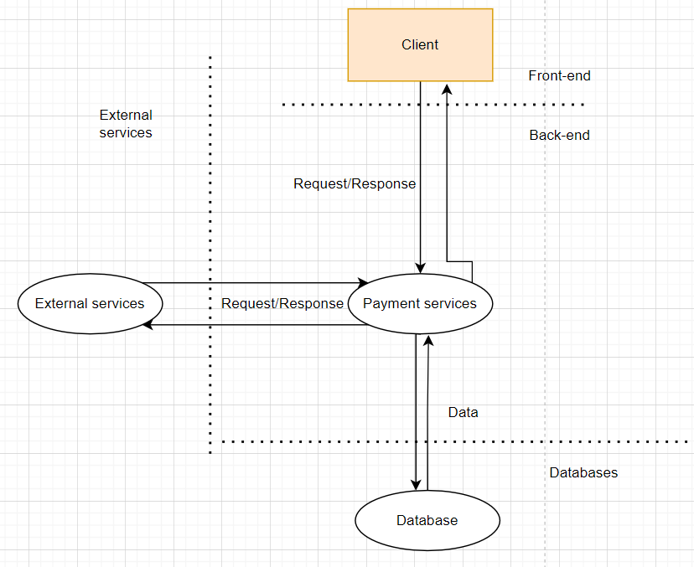

Level 1
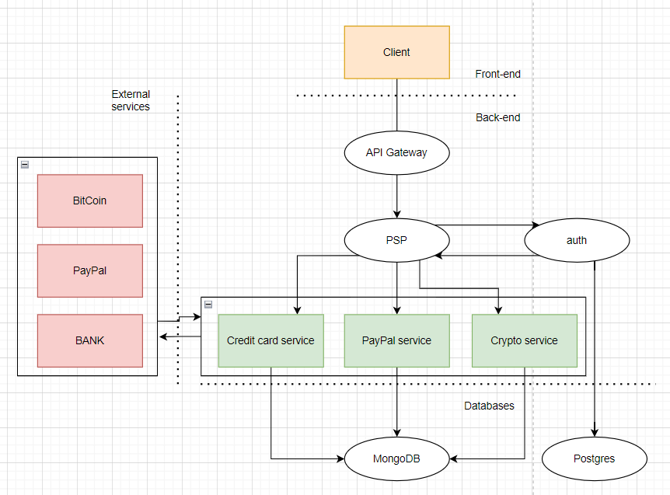

Level 2 - SS Request Handler

